Instructions
Instructions

1 | Obtain the coordinates of the 5 splines that define your body geometry (top, bottom, side, top shoulder and bottom shoulder). See the figures below.
2 | Copy the coordinates of the splines and paste them into the appropriate sections in the Input Data tab.
3 | Input the apex coordinates of the body geometry at the top of the Input Data tab. See the figures below for an example of the fuselage apex.
4 | The Curve Data tab will automatically output the input data into the AAA Import tab in the required format. It does not need any user input.
5 | Sanity check the AAA Import tab and make sure no warnings pop up in Cells Q2, R2, S2, save it and then the spreadsheet will be ready to import into AAA.
 | Note: Data Entry for AAA import should use the 'Fuselage Coordinate System'

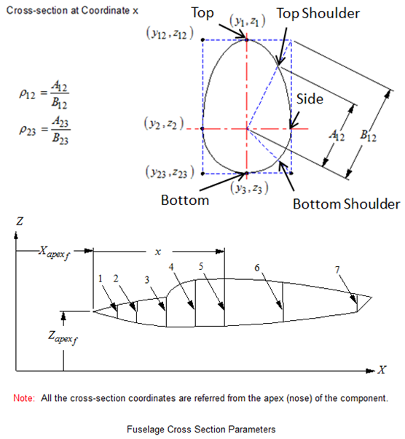

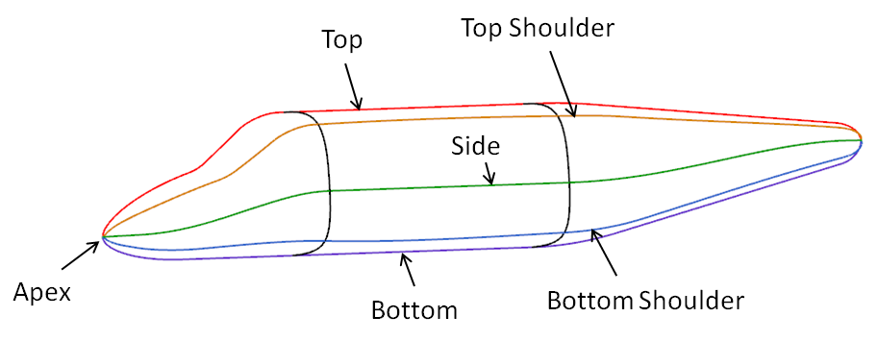

 | Note: If you want to input a fuselage with only the top, bottom and side spline, the spreadsheet automatically assumes you want a circular cross-section (rho = 0.707).
 | You can update this number manually if desired.

